Algorithm
 |  | DESIGN OF BALANCED CROSS-SECTION OF REINFORCED CONCRETE BEAM

 | 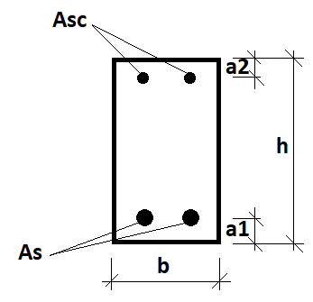

◊ | Input data:

 | Design bending moment, Med: |  | 185 | kNm
 | Concrete class: |  | C25/30 | -
 | Characteristic yield strength of reinforcement, fyk: |  | 500000 | kPa
 | Modulus of elasticity of of reinforcing steel, Es: |  | 200000000 | kPa
 | Partial factor of safety for concrete, γc: |  | 1.5 | -
 | Partial factor of safety for reinforcement, γs: |  | 1.15 | -
 | Coefficient taking into account of long term effects on the compressive strength and of unfavourable effects resulting from the way the load is applied, αcc: |  | 0.85 | -

 | Width of cross-section, b: |  | 0.26 | m
 | Height of cross-section, h: |  | 0.5 | m
 | Distance from the most tensioned surface of the beam to the center of tension reinforcement, a1: |  | 0.06 | m
 | Distance from the most compressed surface of the beam to the center of compression reinforcement, a2: |  | 0.05 | m

◊ | Notes:

 | Compression reinforcement is not required.

 | Compression reinforcement is yielding.

◊ | Results:

 | The total area of required tension reinforcement, As: |  | 11.420 | cm2
 | The total area of required compression reinforcement, Asc: |  | 0.000 | cm2

